Sheet1
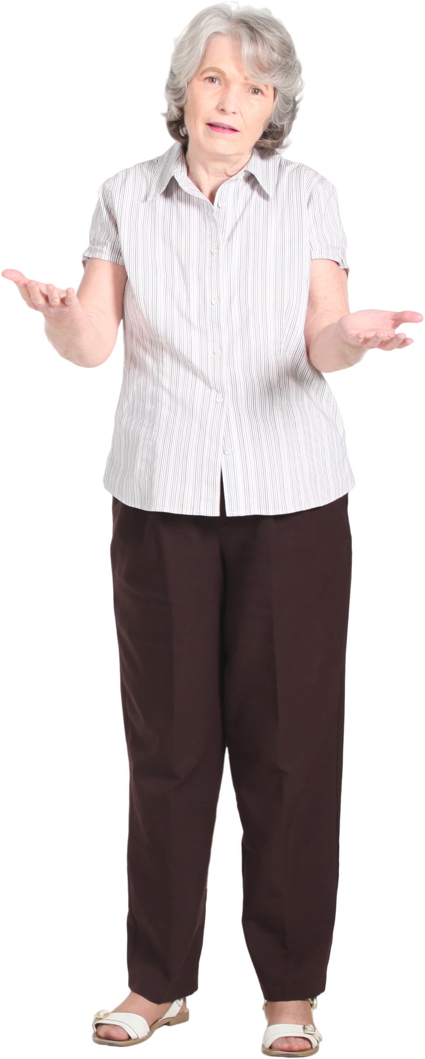
3, 4 |  |  | X |  |  |  | X |  |  |  | X |  |  |  | X
 |  | X |  | X |  | X |  | X |  | X |  | X |  | X |  | X
 | X |  |  |  | X |  |  |  | X |  |  |  | X |  |  |  | X

2, 5 |  | X |  | X |  | X |  | X |  | X
 | X |  | X |  | X |  | X |  | X |  | X

6, 2 |  |  |  |  |  | X |  |  |  |  |  |  |  |  |  | X
 |  |  |  |  | X |  | X |  |  |  |  |  |  |  | X |  | X
 |  |  |  | X |  |  |  | X |  |  |  |  |  | X |  |  |  | X
 |  |  | X |  |  |  |  |  | X |  |  |  | X |  |  |  |  |  | X
 |  | X |  |  |  |  |  |  |  | X |  | X |  |  |  |  |  |  |  | X
 | X |  |  |  |  |  |  |  |  |  | X |  |  |  |  |  |  |  |  |  | X

